Intro
F1- Factory 1
produce 6 units
S3- Store 3
need 4 units

S1- Store 1
need 2
2.3 |  |  | 0.8
 | 8

2.9

F2- Factory 2
produce 3 units
 |  | 4.2

S2- Store 2
need 3 unit

Problem-Solution
 |  |  |  | Self Filling |  | Goal seek Method
 |  | Demand - Supply |  |  |  |  |  |  |  | =SUM(N5:P5)
Supply Demand |  |  |  |  |  |  | S1 | S2 | S3 | Cal_S | Supply
Shop 1 needs 2 units |  | S1 | S2 | S3 | Supply | F1 | 0 | 0 | 3 | 3 | 3
Shop 2 needs 3 units | F1 | 1 | 1 | 1 | 3 | F1 | 2 | 3 | 1 | 6 | 6
shop 3 needs 4 units | F1 | 1 | 2 | 3 | 6 | Cal_D | 2 | 3 | 4
 | Demand | 2 | 3 | 4 |  | Demand | 2 | 3 | 4

 |  | Transportation Cost

Cost Matrix |  | S1 | S2 | S3
Transportation cost | F1 | 2.9 | 4.2 | 0.8 |  |  | S1 | S2 | S3
per unit between | F2 | 2.3 | 8 | 7.1 |  | F1 | 2.9 | 4.2 | 0.8
factories and shops |  |  |  |  |  | F2 | 2.3 | 8 | 7.1

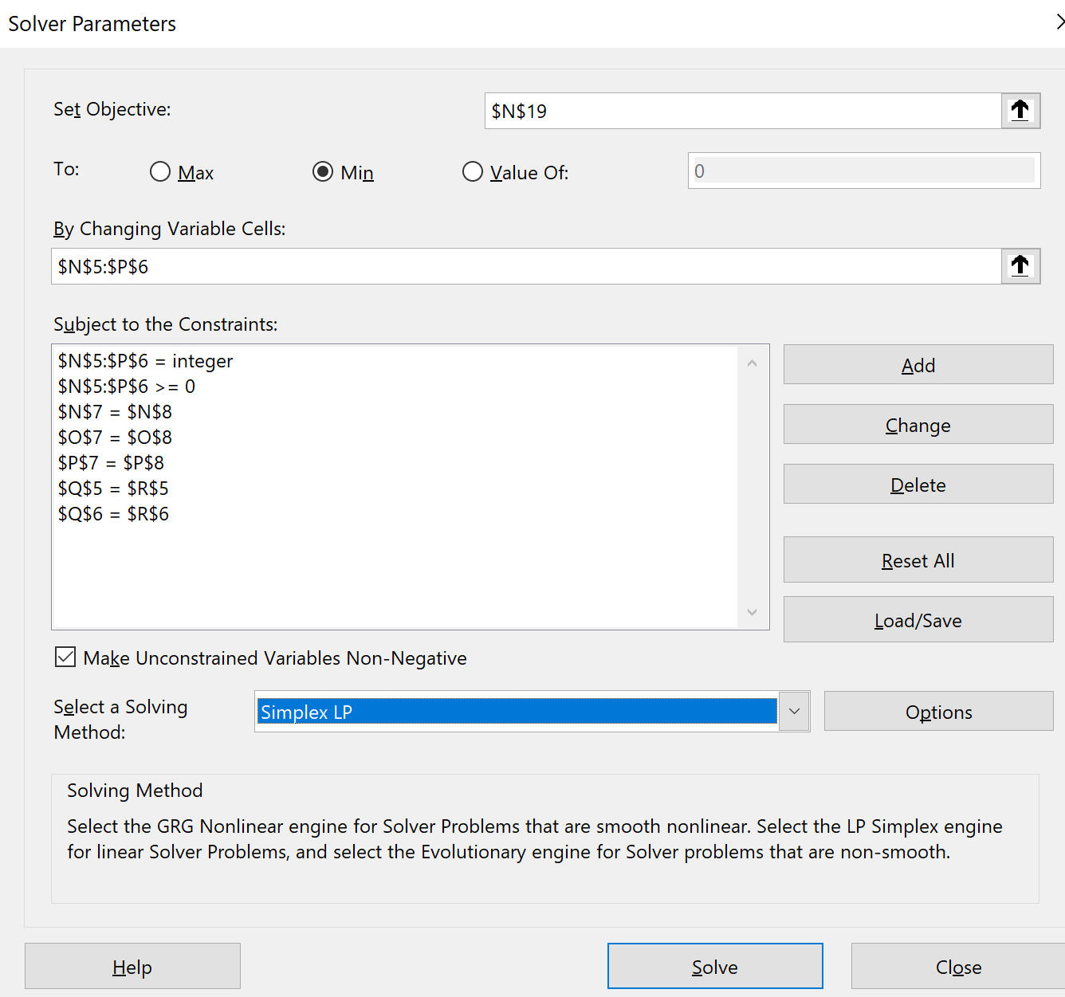
 |  |  |  |  |  | Total Cost: | 38.1
Task is to find the | Total Cost : | 47.5 |  | =SUMPRODUCT(E6:G7,E14:G15) |  |  |  |  |  | Data Solver
least cost solution |  |  |  | sumproduct of both mstrix

